Availity notifications
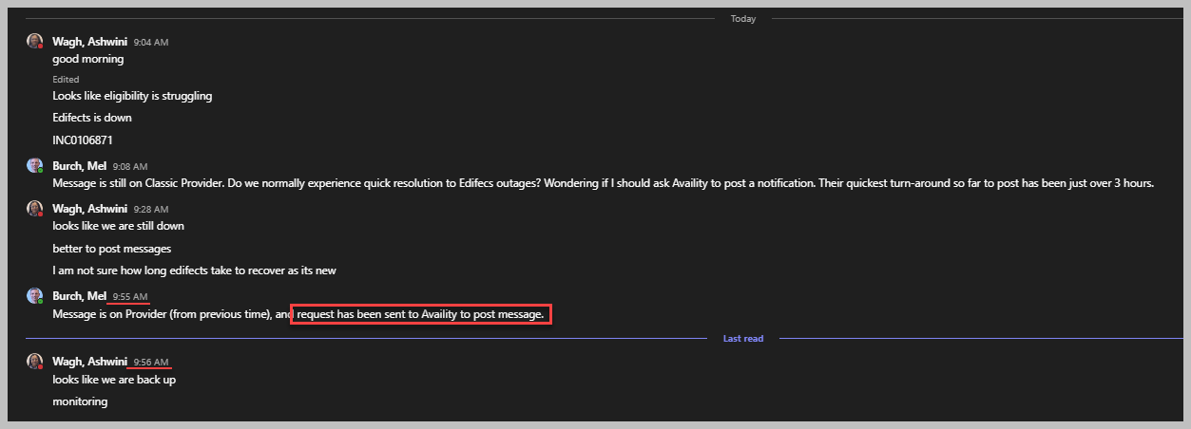
When BCBS experiences an outage, notify availity and request them to post a notification to let users know.
TO: | Planned maintenance/Known issue on BCBS side: AvailityAMSupport@availity.com; NetworkOutageNotifications@availity.com; Unplanned outage/Root Cause unknown Business hours (5am-5pm AZ): OperationsCenter@availity.com; NetworkOutageNotifications@availity.com; After hours (5pm-5am AZ): Web-On-Call@availity.com; NetworkOutageNotifications@availity.com; | Turn-around: 24 - 48 hour (business day)
CC: | Kaylan.Hopper@availity.com, Rishabh, Donna, Mike, Molly
RE: | E&B is down for BCBSAZ
Body: | Hello,
 | Hello, Eligibility and Benefits Searches are currently down for BCBS Arizona. Please post this message on the homepage under New and Announcements. News headline/title to read "AZ Blue Scheduled Maintenance Alert" -------------------------- Eligibility & Benefits Searches: Member eligibility information may not be available at this time. We are working to have this resolved soon. For assistance, please call provider service or contact us at ProviderHelp@azblue.com. -------------------------- We will let you know once this issue has been resolved, and request that this message be removed. Thank you!
 |  | Date | Request Add |  | Received/Assigned |  | Availity request to verify in QA |  | BCBS verified in QA |  | Availity posted to PROD |  | Request Remove |  | Request Acknowledged |  | Update confirmed complete
 |  | 2024-06-05 | 2024-06-05 | 11:00am |  |  |  |  |  |  |  |  | 2024-06-05 | 2:00pm
 |  | 2024-06-10 | 2024-06-10 | 4:30pm |  |  |  |  |  |  |  |  | 2024-06-10 | 4:32pm
 |  | 2024-06-24 | 2024-06-24 | 10:45am |  |  |  |  |  |  |  |  | 2024-06-28 | 8:09pm | 2024-07-01 | 7:10am | 2024-07-01 | 8:47am
 | INC0075950 | 2024-07-02 | 2024-07-02 | 9:45am |  |  |  |  |  |  |  |  | 2024-07-12 | 3:06pm | 2024-07-12 | 4:05pm | 2024-07-24 | 7:59am | 12 Days to remove.
 | INC0097094 | 2024-08-05 | 2024-08-05 | 8:15am | 2024-08-05 | 8:32am | 2024-08-05 | 10:25am | 2024-08-05 | 11:33am | 2024-08-05 | 11:36am | 2024-08-06 | 11:00am |  |  | 2024-08-06 | 12:04pm | 3 hours, 16 minutes to post! :); 1 hour to remove! :)
 | INC0106871 - Edifects is down (restored before Availity confirmed request received). | 2024-08-19 | 2024-08-19 | 9:53am |  |  |  |  |  |  |  |  | 2024-08-19 | 10:25am |  |  |  |  | Notification not posted.
E&B | Scheduled Maintenance (Biztalk Cutover 270/271) - RESCHEDULED | 2024-08-22 | 2024-08-20 | 3:30pm | 2024-08-21 | 6:18am |  |  |  |  |  |  | 2024-08-20 | 3:30pm | 2024-08-21 | 6:18am | 2024-08-23 | 8:00am | Asked to post by 5pm on 8/22, remove by 8am on 8/23.
E&B | Scheduled Maintenance (Biztalk Cutover 270/271) | 2024-09-11 | 2024-09-11 | 8:03am | 2024-09-11 | 8:22am
E&B, Claim Search, Remits | Scheduled Maintenance | 2024-09-20 | 2024-09-20 | 8:50am | 2024-09-20 | 12:10pm |  |  |  |  | 2024-09-20 | 1:39pm
limited functionality | Scheduled Maintenance (HRP) | 2024-09-29 | 2024-09-26 | 12:30pm
Claims, E&B | Scheduled Maintenance | 2024-10-18 | 2024-10-17 | 11:40am | 2024-10-17 | 1:32pm |  |  |  |  | 2024-10-17 | 2:54pm | n/a |  |  |  |  |  | Removal scheduled.
Eligibility Searches | AZ Blue and most other Blue Plans take care of routine updates on Sundays and can’t respond to online searches during that time. You can get better responses on other days of the week. | 2024-10-24 | 2024-10-24 | 7:47am | 2024-10-24 | 8:17am |  |  |  |  | 2024-10-25 | 7:43pm

Messages:
Type | Verbiage (change the dates/times as appropriate).
E&B | Eligibility & Benefits Searches: Member eligibility information may not be available at this time. We are working to have this resolved soon. For assistance, please call provider service or contact us at ProviderHelp@azblue.com.
E&B, Claim Search, Remits | Member eligibility & benefits, claim searches and remits information will not be available this weekend from Saturday, September 21st at 12:00 p.m. to Sunday, September 22nd at 6:00 p.m. For eligibility validation, email us at ProviderHelp@azblue.com. For assistance with immediate treatment needs, contact our 24/7 clinical team at UtilizationMgmt@azblue.com.
limited functionality | Online accounts may have limited functionality between 7 p.m. and 11 p.m. on Sunday, September 29. Please try again later, or contact us at ProviderHelp@azblue.com.

